Sheet1
 |  | Document No. | Issue No. | Issue Date |  | Review and Replace Date |  | Authorised By
 |  | GFF379MC | 1 | 18.11.2022 |  | New Document |  | Magda Shah
 |  | Document Title | Southern Fried Chicken Goujons W/Garlic Mayo 350G
Document amendments reason for change |  | New Document |  |  | Page 1 of 1 | Previous Issue Date | New Document | Uncontrolled copy unless signed original

CCGOU1-R1TEB | BOOTHS - XMAS |  | Southern Fried Chicken Goujons W/Garlic Mayo | 350G |
STEP 1 |  |  |  |  | STEP 2
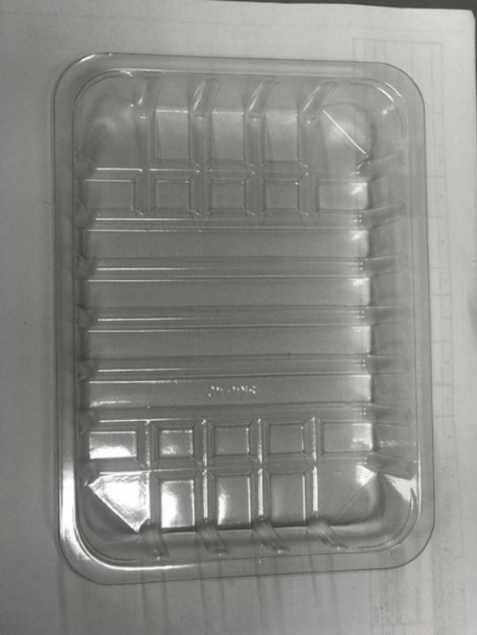

DEFROST DAY + 10 DAYS

Tray: C5E CLEAR (PKHOL001-07) |  |  |  |  | 6XSouthern Fried Breaded Mini Fillets (45G-55G) (RMCKF001-01)-300g
Film: K-peel 7G+25A/f-275mm (PKKMP001-03)
STEP 3 |  |  |  |  | STEP 4
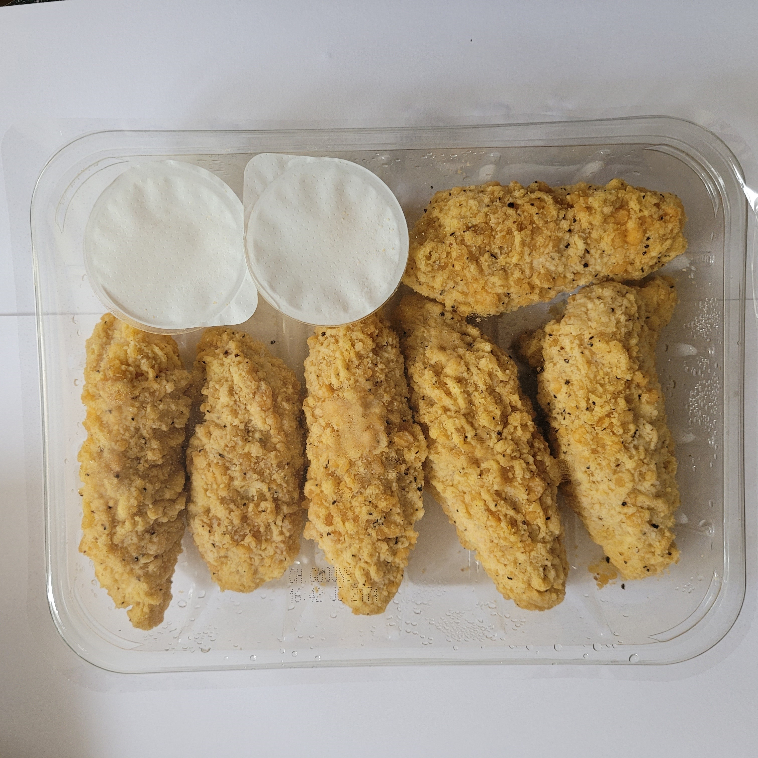

2XGarlic Mayonnaise Dip Pot 25g-(RMPIQ001-05)-50g |  |  |  |  | TOTAL WEIGHT: 350g

ALLERGY ALERT: MILK,EGG,WHEAT,Egg,Mustard

